Vacation Forfeiture Calculator
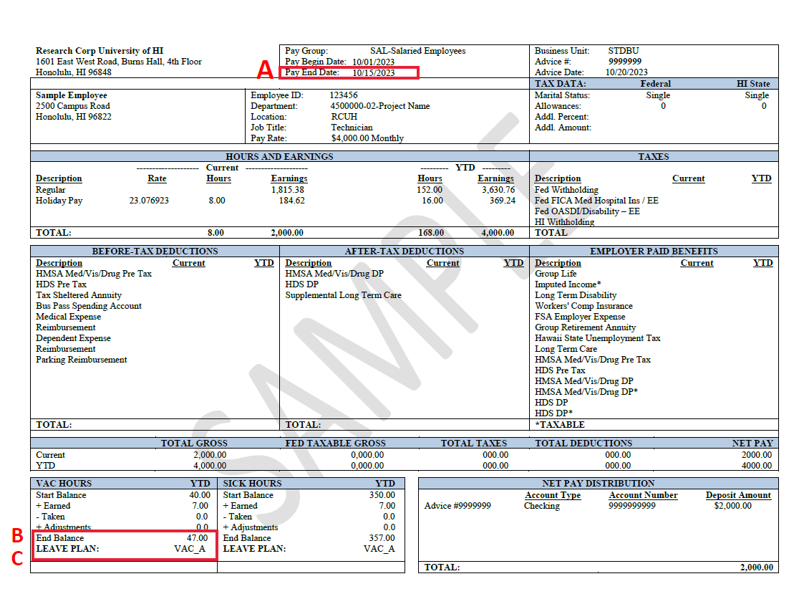
 | RCUH Vacation Forfeiture Calculator
To estimate your vacation forfeiture balance for this calendar year, please access your latest Pay Statement via RCUH Employee Self-Service (https://www.rcuh.com/) > Payroll and Compensation > View Pay Statement. Fill out the information requested in the yellow highlighted cells.
WANT TO LEARN MORE? If you would like to further explore your Pay Statement, please visit our Benefits Spotlight Series: Understanding Your Pay Statement: https://www.rcuh.com/work/benefits/benefits-spotlight-series/

A | Pay End Date: refer to Pay Statement | 12/31
B | Current Vacation Balance: refer to End Balance on Pay Statement
C | Vacation Plan: refer to LEAVE PLAN on Pay Statement
 | FTE (full time equivalency number from 0.50 - 1.00) Full time 40 hours per week = 1.00 Half time 20 hours per week = .50 | 1.00

 | Scheduled vacation hours for the remainder of the calendar year

 | Pay Periods remaining | 24
 | Estimated Accrual for the rest of the year | 168
 | Projected Vacation Balance (Current + Estimated Accrual -Scheduled Vacation Hours) | 168
 | Maximum Carryover | #N/A

 | Estimated Vacation Forfeiture Hours* = Additional hours to schedule vacation | #N/A

 | *This tool is for planning purposes only. Actual Vacation forfeiture balance can be affected by FTE changes, work status changes and actual number of vacation hours taken this year. (Plan B only allows a carryover of 120 hours in any given calendar year.)

*
 | Vacation Plan Options | Maximum Carryover
 | Plan A | 80
 | Plan B | 360

 | Pay End Date | Remaining Pay periods
 | Pick Pay End Date
 | 12/31 | 24
 | 1/15 | 23
 | 1/31 | 22
 | 2/15 | 21
 | 2/28 or 2/29 | 20
 | 3/15 | 19
 | 3/31 | 18
 | 4/15 | 17
 | 4/30 | 16
 | 5/15 | 15
 | 5/31 | 14
 | 6/15 | 13
 | 6/30 | 12
 | 7/15 | 11
 | 7/31 | 10
 | 8/15 | 9
 | 8/31 | 8
 | 9/15 | 7
 | 9/30 | 6
 | 10/15 | 5
 | 10/31 | 4
 | 11/15 | 3
 | 11/30 | 2
 | 12/15 | 1

